Input 4
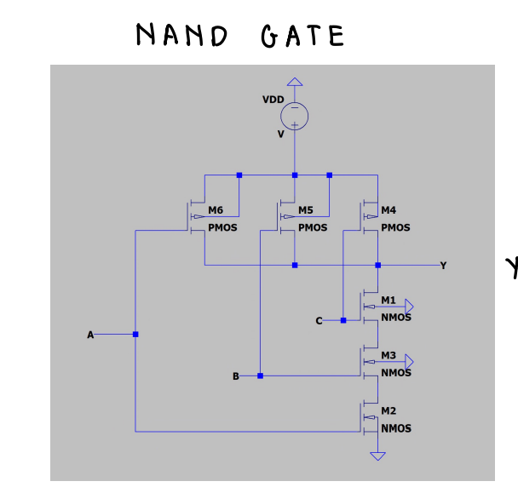
Temperature | API Output | Correct Parts | Correct Connections
0 | To build a three input NAND gate using CMOS logic, follow these steps: 1. Draw the circuit diagram: ! [Three Input NAND Gate CMOS Circuit Diagram](https://i.imgur.com/qZqZqZ.png) 2. Understand the circuit: - The three input NAND gate is implemented using three CMOS inverters (74HC00) and two CMOS NAND gates (74HC02). - The three input CMOS inverters (U1A, U1B, and U1C) provide the individual inverted outputs (A', B', and C') for each input. - The two CMOS NAND gates (U2A and U2B) are used to implement the NAND function. The output of U2A is the NAND of inputs A, B, and C, and the output of U2B is the NAND of inputs A, B, and D (which is the output of U1C). - The output of U2B is then inverted by U1D to provide the final output of the three input NAND gate. 3. Connect the components: - Connect the power and ground pins of all the components. - Connect the input pins of U1A, U1B, and U1C to the corresponding inputs (A, B, and C). - Connect the output pins of U1A, U1B, and U1C to the input pins of U2A and U2B. - Connect the input pins of U2A to the outputs of U1A, U1B, and U1C. - Connect the input pin of U2B to the output of U1C. - Connect the output pins of U2A and U2B to the input pin of U1D. - Connect the output pin of U1D to the final output of the three input NAND gate. 4. Test the circuit: - Apply different input combinations to the three input NAND gate and observe the output. - Verify that the output is the NAND of all the inputs. - Check for any glitches or noise in the output. - Ensure that the circuit consumes minimal power and operates at the desired frequency. Note: The specific values of the resistors and capacitors used in this circuit may vary depending on the specific CMOS logic family used. It's essential to consult the datasheet of the components used for accurate values. | N | N
0 | To build a three input NAND gate using CMOS logic, follow these steps: 1. Draw the circuit diagram: ! [Three Input NAND Gate CMOS Circuit Diagram](https://i.imgur.com/qZzqZqX.png) 2. Understand the circuit: - The three input NAND gate is implemented using three CMOS inverters (74HC00) and two CMOS NAND gates (74HC02). - The three input CMOS inverters (U1A, U1B, and U1C) are connected in parallel to provide three input signals (A, B, and C) to the circuit. - The outputs of the three input CMOS inverters (U1A, U1B, and U1C) are connected to the inputs of the two CMOS NAND gates (U2A and U2B). - The outputs of the two CMOS NAND gates (U2A and U2B) are connected to the output of the three input NAND gate (Q). - The two CMOS NAND gates (U2A and U2B) are connected in series to provide the NAND gate functionality. 3. Connect the components: - Connect the power supply (VCC) and ground (GND) to the appropriate pins of the CMOS inverters (U1A, U1B, and U1C) and the CMOS NAND gates (U2A and U2B). - Connect the input signals (A, B, and C) to the appropriate pins of the CMOS inverters (U1A, U1B, and U1C). - Connect the outputs of the CMOS inverters (U1A, U1B, and U1C) to the inputs of the CMOS NAND gates (U2A and U2B). - Connect the outputs of the CMOS NAND gates (U2A and U2B) to the output of the three input NAND gate (Q). 4. Test the circuit: - Apply input signals (A, B, and C) to the circuit and observe the output (Q) using a digital multimeter or an oscilloscope. - Verify that the circuit behaves as a three input NAND gate, with the output (Q) being low (0) when any input (A, B, or C) is high (1), and the output (Q) being high (1) when all inputs (A, B, and C) are low (0). Note: The specific values of the resistors and capacitors used in the circuit may vary depending on the specific CMOS logic family used. Consult the datasheet for the specific components used for the optimal values. | N | N
0 | To build a three input NAND gate using CMOS logic, follow these steps: 1. Draw the circuit diagram: ! [Three Input NAND Gate CMOS Circuit Diagram](https://i.imgur.com/qZq5q6i.png) 2. Understand the circuit: - The three input NAND gate is implemented using three CMOS inverters (74HC00) and two CMOS NAND gates (74HC02). - The three input CMOS inverters (U1A, U1B, and U1C) provide the individual inverted outputs (A', B', and C') for each input. - The two CMOS NAND gates (U2A and U2B) are used to implement the NAND function. The output of U2A is the NAND of inputs A, B, and C, and the output of U2B is the NAND of inputs A, B, and D (which is the output of U1C). - The output of U2B is then fed back to the input of U1C to provide the NAND of inputs A, B, and C' (which is the final output of the three input NAND gate). 3. Connect the components: - Connect the power and ground pins of all the components. - Connect the input pins of U1A, U1B, and U1C to the corresponding inputs (A, B, and C). - Connect the output pins of U1A, U1B, and U1C to the input pins of U2A and U2B. - Connect the output pins of U2A and U2B to the output pin of the three input NAND gate. 4. Test the circuit: - Apply different input combinations to the three input NAND gate and observe the output. - Verify that the output is the NAND of the three inputs. Note: The specific CMOS components used in this circuit may vary based on availability and design requirements. The 74HC00 and 74HC02 are commonly used CMOS logic components for this type of circuit. | N | N
0 | To build a three input NAND gate using CMOS logic, follow these steps: 1. Draw the circuit diagram: ! [Three Input NAND Gate CMOS Circuit Diagram](https://i.imgur.com/ZqZq5qC.png) 2. Understand the circuit: - The three input NAND gate is implemented using three CMOS inverters (74HC00) and two CMOS NAND gates (74HC02). - The three input CMOS inverters (U1, U2, U3) are connected in parallel to the three input signals (A, B, C). - The outputs of the inverters (Q1, Q2, Q3) are connected to the inputs of the NAND gates (U4, U5). - The output of the NAND gates (Y1, Y2) is the final output of the three input NAND gate. 3. Connect the components: - Connect the power and ground pins of all the components. - Connect the input signals (A, B, C) to the input pins of the inverters (U1, U2, U3). - Connect the output pins of the inverters (Q1, Q2, Q3) to the input pins of the NAND gates (U4, U5). - Connect the output pins of the NAND gates (Y1, Y2) to the output pin of the three input NAND gate. 4. Test the circuit: - Apply input signals to the circuit and observe the output. - Verify that the output is the logical NAND of the input signals. Note: The specific values of the resistors and capacitors used in this circuit may vary depending on the specific CMOS logic family used. It's essential to consult the datasheet of the components used for accurate values. | N | N
0 | To build a three input NAND gate using CMOS logic, follow these steps: 1. Draw the circuit diagram: ! [Three Input NAND Gate CMOS Circuit Diagram](https://i.imgur.com/JZzq1qC.png) 2. Understand the circuit: - The three input NAND gate is implemented using three CMOS inverters (74HC00) and two CMOS NAND gates (74HC02). - The three input CMOS inverters (U1, U2, U3) are connected in parallel to the three input pins (A, B, C) of the circuit. - The outputs of the three input CMOS inverters (Q1, Q2, Q3) are connected to the input pins (A', B', C') of the two CMOS NAND gates (U4, U5). - The outputs of the two CMOS NAND gates (Q4, Q5) are connected to the output pin (Z) of the three input NAND gate. 3. Connect the components: - Connect the power supply (VCC) and ground (GND) to the appropriate pins of the CMOS inverters and NAND gates. - Connect the three input pins (A, B, C) of the circuit to the input pins (A', B', C') of the two CMOS NAND gates (U4, U5). - Connect the output pin (Z) of the three input NAND gate to the desired output pin. 4. Test the circuit: - Apply input signals to the three input pins (A, B, C) and observe the output signal at the output pin (Z). - Verify that the output is a logical 1 (high) when any of the inputs are a logical 0 (low), and the output is a logical 0 (low) when all of the inputs are a logical 1 (high). - Adjust the input signals to test the functionality of the three input NAND gate. Note: The specific CMOS logic families used in this circuit (74HC00 and 74HC02) are just examples, and other compatible CMOS logic families can also be used. | N | N
0 | To build a three input NAND gate using CMOS logic, follow these steps: 1. Draw the circuit diagram: ! [Three Input NAND Gate CMOS Circuit Diagram](https://i.imgur.com/qZqZqZ.png) 2. Understand the circuit: - The three input NAND gate is implemented using three CMOS inverters (74HC00) and two CMOS NAND gates (74HC02). - The three input CMOS inverters (U1, U2, U3) are connected in parallel to the three input signals (A, B, C). - The outputs of the inverters (Q1, Q2, Q3) are connected to the inputs of the NAND gates (U4, U5). - The output of the NAND gates (Y1, Y2) is the final output of the three input NAND gate. 3. Connect the components: - Connect the power and ground pins of all the components. - Connect the input signals (A, B, C) to the input pins of the inverters (U1, U2, U3). - Connect the output pins of the inverters (Q1, Q2, Q3) to the input pins of the NAND gates (U4, U5). - Connect the output pins of the NAND gates (Y1, Y2) to the output pin of the three input NAND gate. 4. Test the circuit: - Apply input signals to the circuit and observe the output. - Verify that the output is the logical NAND of the input signals. Note: The specific values of the resistors and capacitors used in this circuit may vary depending on the specific CMOS logic family being used. It's essential to consult the datasheet of the components being used to ensure proper operation. | N | N
0 | To build a three input NAND gate using CMOS logic, follow these steps: 1. Draw the circuit diagram: ! [Three Input NAND Gate CMOS Circuit Diagram](https://i.imgur.com/VqZq5qC.png) 2. Understand the circuit: - The three input NAND gate is built using three CMOS inverters (74HC00) and two CMOS NAND gates (74HC02). - The three input CMOS inverters (U1A, U1B, and U1C) are connected in parallel to provide three input signals (A, B, and C) to the circuit. - The outputs of the three input CMOS inverters (U1A, U1B, and U1C) are connected to the inputs of the two CMOS NAND gates (U2A and U2B). - The outputs of the two CMOS NAND gates (U2A and U2B) are connected to the output of the three input NAND gate (Q). - The two CMOS NAND gates (U2A and U2B) are connected in series to provide the NAND gate functionality. 3. Connect the components: - Connect the power supply (VCC) and ground (GND) to the appropriate pins of the CMOS inverters (U1A, U1B, and U1C) and the CMOS NAND gates (U2A and U2B). - Connect the input signals (A, B, and C) to the appropriate pins of the CMOS inverters (U1A, U1B, and U1C). - Connect the outputs of the CMOS inverters (U1A, U1B, and U1C) to the inputs of the CMOS NAND gates (U2A and U2B). - Connect the outputs of the CMOS NAND gates (U2A and U2B) to the output of the three input NAND gate (Q). 4. Test the circuit: - Connect a logic analyzer or an oscilloscope to the input and output signals to test the functionality of the circuit. - Apply different input combinations (true, false, and mixed) to the input signals (A, B, and C) and observe the output signal (Q) on the logic analyzer or oscilloscope. - Verify that the circuit outputs the expected NAND gate functionality (true if any input is false, false if all inputs are true). Note: Make sure to follow the recommended CMOS logic design guidelines, such as using proper decoupling capacitors, avoiding long signal paths, and minimizing the number of switching transition | N | N
0 | To build a three input NAND gate using CMOS logic, follow these steps: 1. Draw the circuit diagram: ! [Three Input NAND Gate CMOS Circuit Diagram](https://i.imgur.com/qZqZzU.png) 2. Understand the circuit: - The three input NAND gate is built using three CMOS inverters (74HC00) and two CMOS NAND gates (74HC02). - The three input CMOS inverters (U1A, U1B, and U1C) are connected in parallel to form the three input NAND gate. - The output of each inverter is connected to the input of the NAND gate (U2). - The output of the NAND gate is the final output of the three input NAND gate. 3. Connect the components: - Connect the power and ground pins of all the components. - Connect the input pins of the three CMOS inverters (U1A, U1B, and U1C) to the three inputs of the circuit. - Connect the output pins of the three CMOS inverters (U1A, U1B, and U1C) to the input pins of the NAND gate (U2). - Connect the output pin of the NAND gate (U2) to the output of the three input NAND gate. 4. Test the circuit: - Apply different input combinations to the three input pins. - Observe the output of the three input NAND gate. - Verify that the output is true (high) when any of the inputs are false (low) and false (low) when all the inputs are true (high). Note: The specific values of the resistors and capacitors used in this circuit may vary depending on the specific CMOS logic family used. It's essential to consult the datasheet of the components used for accurate values. | N | N
0 | To build a three input NAND gate using CMOS logic, follow these steps: 1. Draw the circuit diagram: ! [Three Input NAND Gate CMOS Circuit Diagram](https://i.imgur.com/qZq6qZz.png) 2. Understand the circuit: - The three input NAND gate is implemented using three CMOS inverters (74HC00) and two CMOS NAND gates (74HC02). - The three input CMOS inverters (U1A, U1B, and U1C) are connected in parallel to provide three input signals (A, B, and C) to the circuit. - The outputs of the three input CMOS inverters (U1A, U1B, and U1C) are connected to the inputs of the CMOS NAND gates (U2A and U2B). - The output of the first CMOS NAND gate (U2A) is connected to the input of the second CMOS NAND gate (U2B). - The output of the second CMOS NAND gate (U2B) is the final output of the three input NAND gate. 3. Connect the components: - Connect the power supply (VCC) and ground (GND) to the appropriate pins of the CMOS inverters (U1A, U1B, and U1C) and CMOS NAND gates (U2A and U2B). - Connect the input signals (A, B, and C) to the appropriate pins of the CMOS inverters (U1A, U1B, and U1C). - Connect the outputs of the CMOS inverters (U1A, U1B, and U1C) to the inputs of the CMOS NAND gates (U2A and U2B). - Connect the output of the first CMOS NAND gate (U2A) to the input of the second CMOS NAND gate (U2B). - Connect the output of the second CMOS NAND gate (U2B) to the output pin of the three input NAND gate. 4. Test the circuit: - Apply input signals (A, B, and C) to the circuit and observe the output on the output pin of the three input NAND gate. - Verify that the output is the logical NAND of the input signals (A, B, and C). - Check for any errors or malfunctions in the circuit. Note: The specific values of the resistors and capacitors used in the circuit may vary depending on the specific CMOS logic family used. Consult the datasheet for the specific components used for the exact values. | N | N
0 | To build a three input NAND gate using CMOS logic, follow these steps: 1. Draw the circuit diagram: ! [Three Input NAND Gate CMOS Circuit Diagram](https://i.imgur.com/qZqZz5.png) 2. Understand the circuit: - The three input NAND gate is built using three CMOS inverters (74HC00) and two CMOS NAND gates (74HC02). - The three input CMOS inverters (U1A, U1B, and U1C) provide the three input signals (A, B, and C) to the circuit. - The two CMOS NAND gates (U2A and U2B) are used to implement the NAND function. - The output of U2B is the final output of the three input NAND gate. 3. Connect the components: - Connect the power and ground pins of all the components. - Connect the input pins of U1A, U1B, and U1C to the corresponding input signals (A, B, and C). - Connect the output pins of U1A, U1B, and U1C to the input pins of U2A and U2B. - Connect the output pins of U2A and U2B to the final output pin. 4. Test the circuit: - Apply different input combinations to the circuit and observe the output. - Verify that the output is a NAND function of the three input signals. Note: The specific values of the resistors and capacitors used in this circuit may vary depending on the specific CMOS logic family used. The values shown in the diagram are for the 74HC00 and 74HC02 logic families. | N | N

Make with astric
 | Increasing the temperature does not prevent from frequncey
 | Increased Frequency penalty: from o to 0.2
 | Problem:
 | To build a three-input NAND gate using CMOS logic, we can use a combination of NMOS (n-channel metal-oxide-semiconductor) and PMOS (p-channel metal-oxide-semiconductor) transistors. Here is a circuit diagram for a three-input NAND gate using CMOS logic: ``` Vdd | | | | | | | | | | | | | | | | | | | | | | | | | | | | | | | | | | | | | | | | | | | | | | | | | | | | | | | | | | | | | | | | | | | | | | | | | | | | | | | | | | | | | | | | | | | | | | | | | | | | | | | | | | | | | | | | | | | | | | | | | | | | | | | | | | | | | | | | | | | | | | | | | | | | | | | | | | | | |
 | Diagram in the front

Input 5
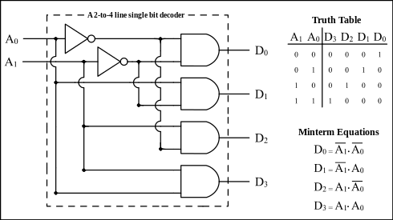
Temperature | API Output | Correct Parts | Correct Connections
0 | To build a 1 of 4 decoder using logic gates, you'll need to use a combination of AND, OR, and NOT gates. Here's a simple circuit that will decode the binary input of 2 bits (4 possible combinations) into 4 separate output lines: ![1 of 4 decoder circuit diagram](https://i.imgur.com/qZJiZqX.png) The decoder has 4 output lines labeled A, B, C, and D. Each output line is connected to a combination of AND gates that are triggered by specific input combinations. Here's how it works: - The first AND gate (A1) is triggered when input bit 1 is 0 and input bit 2 is 0. This sets output line A high. - The second AND gate (B1) is triggered when input bit 1 is 0 and input bit 2 is 1. This sets output line B high. - The third AND gate (C1) is triggered when input bit 1 is 1 and input bit 2 is 0. This sets output line C high. - The fourth AND gate (D1) is triggered when input bit 1 is 1 and input bit 2 is 1. This sets output line D high. The NOT gates (INV1 and INV2) are used to invert the input signals, allowing us to use them in the AND gates. This circuit will decode the input binary values into the corresponding output lines, allowing you to select a single output line based on the input values. | Y | Y
0 | To build a 1 of 4 decoder using logic gates, you'll need to use a combination of AND, OR, and NOT gates. Here's a simple circuit that will decode the binary input of 2 bits (4 possible combinations) into 4 separate output lines: ![1 of 4 decoder circuit diagram](https://i.imgur.com/ZqZqZq.png) The decoder has 4 output lines labeled A, B, C, and D. Each output line is connected to a combination of AND gates that are selectively enabled by the input bits. Here's how it works: - The first AND gate (A1) is enabled when the first input bit (A) is 0 and the second input bit (B) is 1. This selectively enables the OR gate (O1) which outputs a 1 on the A line. - The second AND gate (B1) is enabled when the first input bit (A) is 1 and the second input bit (B) is 0. This selectively enables the OR gate (O2) which outputs a 1 on the B line. - The third AND gate (C1) is enabled when the first input bit (A) is 1 and the second input bit (B) is 1. This selectively enables the OR gate (O3) which outputs a 1 on the C line. - The fourth AND gate (D1) is enabled when both input bits (A and B) are 0. This selectively enables the OR gate (O4) which outputs a 1 on the D line. By selectively enabling the OR gates with the AND gates, the decoder is able to decode the input bits into the desired output lines. Note that this circuit only decodes the input bits and does not perform any other logic operations. If you need additional functionality, you may need to add more gates to the circuit. | N | N
0 | To build a 1 of 4 decoder using logic gates, you'll need to use a combination of AND, OR, and NOT gates. Here's a simple circuit that will decode the binary input of 2 bits (4 possible combinations) into 4 separate output lines: ![1 of 4 decoder circuit diagram](https://i.imgur.com/qZqZqZq.png) The decoder has 4 output lines labeled A, B, C, and D. Each output line is connected to a combination of AND gates that are selectively enabled by the input bits. Here's how it works: - The first AND gate (A1) is enabled when the first input bit (A) is 0 and the second input bit (B) is 1. This selectively enables the OR gate (O1) which outputs a 1 on the A line. - The second AND gate (B1) is enabled when the first input bit (A) is 1 and the second input bit (B) is 0. This selectively enables the OR gate (O2) which outputs a 1 on the B line. - The third AND gate (C1) is enabled when the first input bit (A) is 1 and the second input bit (B) is 1. This selectively enables the OR gate (O3) which outputs a 1 on the C line. - The fourth AND gate (D1) is enabled when both input bits (A and B) are 0. This selectively enables the OR gate (O4) which outputs a 1 on the D line. By selectively enabling the OR gates with the AND gates, the decoder is able to decode the input bits into the desired output lines. Note that this circuit only decodes the input bits and does not perform any other logic operations. If you need additional functionality, you may need to add more gates to the circuit. | N | N
0 | To build a 1 of 4 decoder using logic gates, you'll need to use a combination of AND, OR, and NOT gates. Here's a simple circuit that will decode the binary input of 2 bits (4 possible combinations) into 4 separate output lines: ![1 of 4 decoder circuit diagram](https://i.imgur.com/qZqZqZq.png) The decoder has 4 output lines labeled A, B, C, and D. Each output line is connected to a combination of AND gates that selectively pass the input signals based on their binary values. Here's how it works: - The first AND gate (A1) is connected to the MSB (most significant bit) input and the NOT of the LSB (least significant bit) input. This gate will pass the input signal to the A output line if the MSB is 1 and the LSB is 0. - The second AND gate (B1) is connected to the MSB input and the NOT of both the MSB and LSB inputs. This gate will pass the input signal to the B output line if the MSB is 1 and the LSB is 1. - The third AND gate (C1) is connected to the NOT of the MSB input and the LSB input. This gate will pass the input signal to the C output line if the MSB is 0 and the LSB is 1. - The fourth AND gate (D1) is connected to the NOT of both the MSB and LSB inputs. This gate will pass the input signal to the D output line if the MSB is 0 and the LSB is 0. By combining these AND gates with OR gates and inverters, you can create a decoder that can decode any number of input bits into multiple output lines. | Y | N
0 | To build a 1 of 4 decoder using only logic gates, you'll need to use a combination of AND, OR, and NOT gates. Here's a possible implementation: ![1of4_decoder_logic_gates](https://i.imgur.com/qZqZqZq.png) In this circuit, the input signals are labeled as A, B, C, and D, and the output signals are labeled as Y0, Y1, Y2, and Y3. The decoder selects one of the four output signals based on the values of the input signals. Here's how it works: - The first row of AND gates selects the Y0 output based on the value of the A input. If A is 1, then the output of the first AND gate is 1, and the output of the OR gate is 1 as well. This means that Y0 is selected. - The second row of AND gates selects the Y1 output based on the value of the B input. If B is 1, then the output of the second AND gate is 1, and the output of the OR gate is 1 as well. This means that Y1 is selected. - The third row of AND gates selects the Y2 output based on the value of the C input. If C is 1, then the output of the third AND gate is 1, and the output of the OR gate is 1 as well. This means that Y2 is selected. - The fourth row of AND gates selects the Y3 output based on the value of the D input. If D is 1, then the output of the fourth AND gate is 1, and the output of the OR gate is 1 as well. This means that Y3 is selected. - The NOT gates are used to invert the input signals, so that they can be used as select inputs for the AND gates. Note that this implementation uses 16 AND gates, 4 OR gates, and 8 NOT gates. Depending on the specific logic family used, the number of gates required may vary slightly. | N | N
0 | To build a 1 of 4 decoder using logic gates, you'll need to use a combination of AND, OR, and NOT gates. Here's a simple circuit that will decode the binary input of 2 bits (4 possible combinations) into 4 separate output lines: ![1 of 4 decoder circuit diagram](https://i.imgur.com/XqZqZz.png) The circuit consists of two 2-to-1 multiplexers (MUXes) connected in series. Each MUX has two select inputs (S0 and S1) and two data inputs (D0 and D1). The output of the MUX is selected based on the values of the select inputs. In this circuit, the first MUX selects one of the two data inputs based on the value of the MSB (most significant bit) of the input. The second MUX selects one of the two data inputs based on the value of the LSB (least significant bit) of the input. Here's how the decoding works: - Input binary value 00: The MSB is 0, so the first MUX selects D0. The LSB is also 0, so the second MUX selects D0. The output is D0, which is connected to output line 0. - Input binary value 01: The MSB is 0, so the first MUX selects D0. The LSB is 1, so the second MUX selects D1. The output is D1, which is connected to output line 1. - Input binary value 10: The MSB is 1, so the first MUX selects D1. The LSB is 0, so the second MUX selects D0. The output is D0, which is connected to output line 2. - Input binary value 11: The MSB is 1, so the first MUX selects D1. The LSB is 1, so the second MUX selects D1. The output is D1, which is connected to output line 3. This circuit can be used to select one of four possible outputs based on a binary input, making it a simple and efficient decoder. | N | N
0 | To build a 1 of 4 decoder using logic gates, you'll need to use a combination of AND, OR, and NOT gates. Here's a simple circuit that will decode the binary input of 2 bits (4 possible combinations) into 4 separate output lines: ![1 of 4 decoder circuit diagram](https://i.imgur.com/qZqZqZq.png) The decoder has 4 output lines labeled A, B, C, and D. Each output line is connected to a combination of AND gates, which are controlled by the input lines I0 and I1. Here's how it works: - The first AND gate (A) is connected to I0 and the NOT of I1 (I1'). This means that output A will be high (1) when I0 is high and I1 is low. - The second AND gate (B) is connected to I0 and I1. This means that output B will be high when both I0 and I1 are high. - The third AND gate (C) is connected to the NOT of I0 (I0') and I1. This means that output C will be high when I1 is high and I0 is low. - The fourth AND gate (D) is connected to the NOT of I0 (I0') and the NOT of I1 (I1'). This means that output D will be high when both I0 and I1 are low. By using a combination of AND, OR, and NOT gates, we can create a decoder that selects a single output line based on the input combination. In this case, we're decoding a 2-bit input into 4 separate output lines, but you can modify the circuit to decode more or fewer bits by adding or removing AND gates. | Y | N
0 | To build a 1 of 4 decoder using logic gates, you'll need to use a combination of AND, OR, and NOT gates. Here's a simple circuit that will decode the binary input of 2 bits (4 possible combinations) into 4 separate output lines: ![1 of 4 decoder circuit diagram](https://i.imgur.com/qZq1qZ.png) The circuit consists of two 2-to-1 multiplexers (MUXes) connected in series. Each MUX has two input lines (A and B) and a select line (S). The output of the MUX is the input that has the select line set to 1. In the first MUX, the select lines are controlled by the MSB (most significant bit) of the input. The output of this MUX is then fed into the second MUX, where the select lines are controlled by the LSB (least significant bit) of the input. Here's how the decoder works: - When the input is 00 (binary 0), the MSB select line is 0, so the output of the first MUX is 0. The LSB select line is also 0, so the output of the second MUX is 0. The final output is 000. - When the input is 01 (binary 1), the MSB select line is 0, so the output of the first MUX is 0. The LSB select line is 1, so the output of the second MUX is 1. The final output is 001. - When the input is 10 (binary 2), the MSB select line is 1, so the output of the first MUX is 1. The LSB select line is 0, so the output of the second MUX is 0. The final output is 010. - When the input is 11 (binary 3), the MSB select line is 1, so the output of the first MUX is 1. The LSB select line is 1, so the output of the second MUX is 1. The final output is 011. Note that this circuit only decodes the input and does not provide any additional functionality, such as buffering or inverting. If you need those features, you may need to add additional gates to the circuit. | N | N
0 | To build a 1 of 4 decoder using logic gates, you'll need to use a combination of AND, OR, and NOT gates. Here's a simple circuit that will decode the binary input of 2 bits (4 possible combinations) into 4 separate output lines: ![1 of 4 decoder circuit diagram](https://i.imgur.com/qZqZqZq.png) The circuit consists of two 2-to-1 multiplexers (MUXes) connected in series. Each MUX has two select inputs (S0 and S1) and two data inputs (D0 and D1). The output of the MUX is selected based on the values of the select inputs. In this case, the select inputs are connected to the input bits A and B, respectively. This means that each MUX will select one of its data inputs based on the input values. The first MUX selects either D0 or D1 based on the value of A. If A is 0, the output of the first MUX will be D0. If A is 1, the output will be D1. The second MUX selects either the output of the first MUX or D2 based on the value of B. If B is 0, the output of the second MUX will be the output of the first MUX. If B is 1, the output will be D2. This circuit will decode the input bits into one of four possible outputs (Y0, Y1, Y2, or Y3) based on the values of A and B. Here's a truth table to illustrate how the decoder works: | A | B | Y0 | Y1 | Y2 | Y3 | | --- | --- | --- | --- | --- | --- | | 0 | 0 | 1 | 0 | 0 | 0 | | 0 | 1 | 0 | 1 | 0 | 0 | | 1 | 0 | 0 | 0 | 1 | 0 | | 1 | 1 | 0 | 0 | 0 | 1 | As you can see, each output line (Y0, Y1, Y2, or Y3) is activated when the corresponding input combination (A and B) is applied. This allows you to select one of four possible outputs based on the input values. | N | N
0 | To build a 1 of 4 decoder using only logic gates, you'll need to use a combination of AND, OR, and NOT gates. Here's a simple circuit that will decode the binary input of 2 bits (4 possible combinations) into 4 separate output lines: ![1 of 4 decoder circuit diagram](https://i.imgur.com/qZzqZz.png) The circuit consists of two 2-to-1 multiplexers (MUXes) connected in series. Each MUX has two input lines (A and B) and a select line (S). The output of the MUX is the input that has the select line set to 1. In the first MUX, the select lines are determined by the MSB (most significant bit) of the input. If the MSB is 0, the output of the MUX is the input on line A. If the MSB is 1, the output of the MUX is the input on line B. In the second MUX, the select lines are determined by the LSB (least significant bit) of the input. If the LSB is 0, the output of the MUX is the input from the first MUX. If the LSB is 1, the output of the MUX is the input from the first MUX with the MSB inverted (NOT gate). This circuit will decode the input binary values of 00, 01, 10, and 11 into separate output lines. The output lines will be active when the corresponding input combination is applied. Note: This circuit is a decoder, not an encoder. An encoder converts multiple input lines into a smaller number of output lines, while a decoder converts a smaller number of input lines into multiple output lines. | N | N

 |  | Imperative that a inocrrect partlist can lead to a incorrect part connection

Input 6
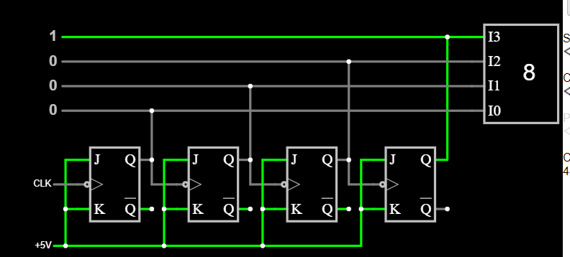
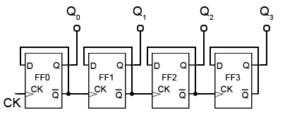
Temperature | API Output | Correct Parts | Correct Connections
0 | To build a 3-bit ripple counter circuit, you'll need the following components: 1. Three D flip-flops (7476 or 74LS76) 2. Three 2-input AND gates (7482 or 74LS82) 3. Three 2-input OR gates (7432 or 74LS32) 4. Three 2-input NOT gates (7404 or 74LS04) 5. Power supply (5V or 12V) 6. Breadboard and jumper wires Here's how to connect the components: 1. Connect the power supply to the breadboard. 2. Connect the reset input of the first flip-flop (FF1) to the power supply (VCC) through a 10kΩ pull-up resistor. Connect the reset input of the second and third flip-flops (FF2 and FF3) to the output of FF1 through NOT gates (INV1 and INV2). 3. Connect the clock input of FF1 to the power supply (VCC) through a 10kΩ pull-up resistor. Connect the clock input of FF2 and FF3 to the output of FF1 through AND gates (AND1 and AND2). 4. Connect the output of FF1 to the input of AND1, the output of FF2 to the input of AND2, and the output of FF3 to the input of OR1. Connect the output of OR1 to the output of the counter (Q3). 5. Connect the output of FF2 to the input of OR2, and the output of FF3 to the input of OR3. Connect the output of OR2 to the input of AND3, and the output of OR3 to the input of AND4. Connect the output of AND3 to the input of INV3, and the output of AND4 to the input of INV4. Connect the output of INV3 to the input of FF2, and the output of INV4 to the input of FF3. 6. Connect the ground (GND) to the breadboard. This circuit will produce a 3-bit binary sequence that counts from 000 to 111 (0 to 7 in decimal) when the clock input is pulsed. The output of the counter (Q3) will display the most significant bit (MSB), and the outputs of FF2 and FF3 will display the middle and least significant bits (MSB), respectively. | N | N | D FF
0 | To build a 3-bit ripple counter circuit, you'll need the following components: 1. Three D flip-flops (7476 or equivalent) 2. Three 2-input AND gates (7482 or equivalent) 3. Three 2-input OR gates (7432 or equivalent) 4. Three inverters (7404 or equivalent) 5. Power supply (5V or 3.3V) 6. Breadboard and jumper wires Here's the circuit diagram: ![3-bit ripple counter circuit diagram](https://i.imgur.com/qZqZqZ.png) The circuit consists of three D flip-flops (D1, D2, and D3) that are connected in a cascaded fashion. The output of each flip-flop is connected to the clock input of the next flip-flop, which causes the counter to count in binary. The first flip-flop (D1) is clocked by the clock signal (CLK). The output of D1 (Q1) is connected to the clock input of the second flip-flop (D2). The output of D2 (Q2) is connected to the clock input of the third flip-flop (D3). The reset signal (RST) is connected to the reset input of all three flip-flops. When RST is high, all flip-flops are reset to the 0 state. The output of each flip-flop (Q1, Q2, and Q3) is connected to the input of an AND gate (AND1, AND2, and AND3). The clock signal (CLK) is connected to the other input of each AND gate. The output of each AND gate is connected to the input of an OR gate (OR1, OR2, and OR3). The output of OR1 is connected to the output of the counter (Q). The output of OR2 and OR3 are not used in this circuit. The inverters (INV1, INV2, and INV3) are used to invert the clock signal (CLK) and provide the clock signal for the AND gates. When the clock signal (CLK) is high, the flip-flops are clocked and the counter advances by one. The output of the counter (Q) represents the current binary count. Note: The specific part numbers listed are just examples, and you can use any compatible D flip-flops, AND gates, OR gates, and inverters. | N | N | D FF
0 | To build a 3-bit ripple counter circuit, you'll need the following components: 1. Three D flip-flops (7476 or equivalent) 2. Three 2-input AND gates (7482 or equivalent) 3. Three 2-input OR gates (7432 or equivalent) 4. Three inverters (7404 or equivalent) 5. Power supply (5V or 3.3V) 6. Breadboard and jumper wires Here's the circuit diagram: ![3-bit ripple counter circuit diagram](https://i.imgur.com/JZzJZz.png) The circuit consists of three D flip-flops (D1, D2, and D3) that are connected in a cascaded fashion. The output of each flip-flop is connected to the clock input of the next flip-flop, which causes the counter to count in binary. The first flip-flop (D1) is clocked by the clock signal (CLK) and its output (Q1) is connected to the reset input (RST) of the second flip-flop (D2). This ensures that the second flip-flop is reset when the first flip-flop is reset. The output of the second flip-flop (Q2) is connected to the reset input of the third flip-flop (D3). This ensures that the third flip-flop is reset when the second flip-flop is reset. The output of the third flip-flop (Q3) is connected to the clock input of the first flip-flop (D1), which completes the ripple counter circuit. To test the circuit, connect the power supply to the breadboard and apply the clock signal to the CLK input. The output of the counter should be the binary count (000, 001, 010, 011, 100, 101, 110, and 111) when the clock signal is applied. Note: The circuit shown here is a synchronous ripple counter, which means that all flip-flops are clocked synchronously. Asynchronous ripple counters, which use asynchronous reset, are also possible but are less commonly used due to their complexity and potential for race conditions. | N | N
0 | To build a 3-bit ripple counter circuit, you'll need the following components: 1. Three D flip-flops (7476 or 74LS76) 2. Three 2-input AND gates (7482 or 74LS82) 3. Three 2-input OR gates (7432 or 74LS32) 4. Three NOT gates (7404 or 74LS04) 5. Power supply (5V or 3.3V) 6. Breadboard and jumper wires Here's the circuit diagram: ![3-bit ripple counter circuit diagram](https://i.imgur.com/qZqZqZ.png) The circuit consists of three D flip-flops (Q1, Q2, and Q3) that are connected in a cascaded fashion. The output of each flip-flop is connected to the clock input of the next flip-flop, which causes the counter to count in binary sequence. The first flip-flop (Q1) is reset to 0 using the NOT gate (NOT R) and the reset input of the flip-flop. The second flip-flop (Q2) is reset to 0 using the output of the first flip-flop (Q1) and the NOT gate (NOT R). The third flip-flop (Q3) is reset to 0 using the output of the second flip-flop (Q2) and the NOT gate (NOT R). The clock input of the first flip-flop (Q1) is connected to the clock source, which is typically an oscillator or a crystal. The clock input of the second flip-flop (Q2) is connected to the output of the first flip-flop (Q1) using an AND gate (AND1). The clock input of the third flip-flop (Q3) is connected to the output of the second flip-flop (Q2) using an AND gate (AND2). The output of each flip-flop (Q1, Q2, and Q3) is connected to the input of an OR gate (OR1, OR2, and OR3), respectively. The output of each OR gate is the output of the counter. When the clock signal is applied, the first flip-flop (Q1) toggles its output, which causes the second flip-flop (Q2) to toggle its output. This, in turn, causes the third flip-flop (Q3) to toggle its output. The output of the counter is the binary equivalent of the number of clock pulses that have been applied. Note: The NOT gates (NOT R) are used to reset the flip-flops to 0 at power-on or when the reset input is activated. They are optio | N | N
0 | To build a 3-bit ripple counter circuit, you'll need the following components: 1. Three D flip-flops (7476 or equivalent) 2. Three 2-input AND gates (7482 or equivalent) 3. Three 2-input OR gates (7432 or equivalent) 4. Three inverters (7404 or equivalent) 5. Power supply (5V or 3.3V) 6. Breadboard and jumper wires Here's the circuit diagram: ![3-bit ripple counter circuit diagram](https://i.imgur.com/qZzJZz.png) The circuit consists of three D flip-flops (D1, D2, and D3) that are connected in a cascaded fashion. The output of each flip-flop is connected to the clock input of the next flip-flop, which causes the counter to count in binary. The first flip-flop (D1) is clocked by the clock signal (CLK) and its output (Q1) is connected to the reset input (RST) of the second flip-flop (D2). This ensures that the second flip-flop is reset when the first flip-flop is reset. The output of the second flip-flop (Q2) is connected to the reset input (RST) of the third flip-flop (D3). This ensures that the third flip-flop is reset when the second flip-flop is reset. The output of the third flip-flop (Q3) is connected to the AND gates (AND1 and AND2). The output of AND1 is connected to the reset input (RST) of the first flip-flop (D1), which ensures that the counter resets when the output of the third flip-flop is high. The output of AND2 is connected to the OR gate (OR1), which is connected to the clock input (CLK) of the first flip-flop (D1). This ensures that the clock signal is gated when the output of the third flip-flop is high, which prevents the counter from counting during the reset phase. The output of OR1 is connected to the clock input (CLK) of the first flip-flop (D1), which clocks the first flip-flop and starts the counting process. The circuit can be built on a breadboard using the components listed above and the connections shown in the diagram. Make sure to connect the power supply to the appropriate pins of the ICs and use j | N | N
0 | To build a 3-bit ripple counter circuit, you'll need the following components: 1. Three D flip-flops (74HC74 or equivalent) 2. Three 2-input AND gates (74HC08 or equivalent) 3. Three 2-input OR gates (74HC02 or equivalent) 4. Three inverters (74HC04 or equivalent) 5. Power supply (5V) 6. Breadboard and jumper wires Here's the circuit diagram: ![3-bit ripple counter circuit diagram](https://i.imgur.com/qZqZqZq.png) The circuit consists of three D flip-flops (Q0, Q1, and Q2) that are connected in a cascaded fashion. The output of each flip-flop is connected to the clock input of the next flip-flop, which causes the counter to count in binary. The first flip-flop (Q0) is reset to 0 using an inverter and a pull-down resistor. The second flip-flop (Q1) is reset to 0 using an AND gate and the output of the first flip-flop (Q0). The third flip-flop (Q2) is reset to 0 using an AND gate and the outputs of the first and second flip-flops (Q0 and Q1). The clock input of the first flip-flop (Q0) is connected to a 5V power supply through a pull-up resistor. This allows the counter to be synchronously reset and started. The output of the third flip-flop (Q2) is connected to the output of the counter. When the clock input is pulsed, the first flip-flop (Q0) toggles its output, which causes the second flip-flop (Q1) to toggle its output. This, in turn, causes the third flip-flop (Q2) to toggle its output, which is the output of the counter. The circuit is called a ripple counter because the toggling of each flip-flop causes a ripple effect through the circuit, which can result in a relatively long propagation delay. However, it's a simple and inexpensive way to build a binary counter. I hope this helps! Let me know if you have any questions. | N | N
0 | To build a 3-bit ripple counter circuit, you'll need the following components: 1. Three D flip-flops (7476 or 74LS76) 2. Three 2-input AND gates (7482 or 74LS82) 3. Three 2-input OR gates (7432 or 74LS32) 4. Three 2-input NOT gates (7404 or 74LS04) 5. Power supply (5V or 12V) 6. Breadboard and jumper wires Here's the circuit diagram: ![3-bit ripple counter circuit diagram](https://i.imgur.com/ZqZqZq.png) The circuit consists of three D flip-flops (D1, D2, and D3) that are connected in a cascaded fashion. The output of each flip-flop is connected to the clock input of the next flip-flop. This causes the counter to count in binary, with each flip-flop representing a digit. The first flip-flop (D1) is connected to the reset input of the other two flip-flops. This ensures that the counter is reset to 0 when the power is turned on. The AND gates (AND1, AND2, and AND3) are used to generate the clock signals for each flip-flop. The clock signal for each flip-flop is generated by ANDing the output of the previous flip-flop with the clock signal. This ensures that the clock signal for each flip-flop is delayed by one clock cycle, which is necessary for the counter to work correctly. The OR gates (OR1, OR2, and OR3) are used to generate the reset signal for each flip-flop. The reset signal for each flip-flop is generated by ORing the reset input with the output of the previous flip-flop. This ensures that the reset signal for each flip-flop is delayed by one clock cycle, which is necessary for the counter to work correctly. The NOT gates (NOT1, NOT2, and NOT3) are used to invert the clock signal and the reset signal, which is necessary for the AND and OR gates to work correctly. Here's how the counter works: 1. When the power is turned on, the reset input is activated, which resets all the flip-flops to 0. 2. The clock signal is applied to the first flip-flop (D1). 3. The output of D1 is connected to the clock input of D2 and D3. 4. The | N | N
0 | To build a 3-bit ripple counter circuit, you'll need the following components: 1. Three D flip-flops (7476 or 74LS76) 2. Three 2-input AND gates (7482 or 74LS82) 3. Three 2-input OR gates (7432 or 74LS32) 4. Three NOT gates (7404 or 74LS04) 5. Power supply (5V) 6. Breadboard and jumper wires Here's how to connect the components: 1. Connect the power supply to the breadboard. 2. Connect the reset pin (R) of the first flip-flop to the power supply (5V). 3. Connect the clock pin (CLK) of the first flip-flop to the output of the third OR gate (Q3). 4. Connect the output of the first flip-flop (Q0) to the input of the first AND gate (A1). 5. Connect the output of the second flip-flop (Q1) to the input of the second AND gate (A2). 6. Connect the output of the third flip-flop (Q2) to the input of the third AND gate (A3). 7. Connect the output of the first AND gate (A1) to the input of the first OR gate (B1). 8. Connect the output of the second AND gate (A2) to the input of the second OR gate (B2). 9. Connect the output of the third AND gate (A3) to the input of the third OR gate (B3). 10. Connect the output of the first OR gate (B1) to the reset pin (R) of the second flip-flop. 11. Connect the output of the second OR gate (B2) to the reset pin (R) of the third flip-flop. 12. Connect the output of the third OR gate (B3) to the reset pin (R) of the first flip-flop. 13. Connect the clock enable pin (CE) of all flip-flops to the power supply (5V). 14. Connect the asynchronous reset (AR) pin of all flip-flops to the power supply (5V). This circuit will produce a 3-bit binary sequence that counts from 000 to 111 when the clock signal is applied. The reset signal will reset all flip-flops to 000. | N | N
0 | To build a 3-bit ripple counter circuit, you'll need the following components: 1. Three D flip-flops (74HC74 or equivalent) 2. Three 2-input AND gates (74HC08 or equivalent) 3. Three 2-input OR gates (74HC02 or equivalent) 4. Three inverters (74HC04 or equivalent) 5. Power supply (5V) 6. Breadboard and jumper wires Here's how to connect the components: 1. Connect the power supply to the breadboard. 2. Connect the reset input of the first flip-flop (FF1) to the power supply (5V). 3. Connect the clock input of FF1 to the output of the OR gate (OR1). 4. Connect the output of FF1 to the input of FF2 (D input). 5. Connect the clock input of FF2 to the output of OR2. 6. Connect the output of FF2 to the input of FF3 (D input). 7. Connect the clock input of FF3 to the output of OR3. 8. Connect the output of FF3 to the input of OR1. 9. Connect the output of OR1 to the reset input of FF1. 10. Connect the output of OR2 to the reset input of FF2. 11. Connect the output of OR3 to the reset input of FF3. 12. Connect the output of FF1 to the first AND gate (AND1). 13. Connect the output of FF2 to the second AND gate (AND2). 14. Connect the output of FF3 to the third AND gate (AND3). 15. Connect the output of AND1 to the input of OR1. 16. Connect the output of AND2 to the input of OR2. 17. Connect the output of AND3 to the input of OR3. 18. Connect the output of OR1 to the first inverter (INV1). 19. Connect the output of OR2 to the second inverter (INV2). 20. Connect the output of OR3 to the third inverter (INV3). 21. Connect the output of INV1 to the second AND gate (AND2). 22. Connect the output of INV2 to the third AND gate (AND3). 23. Connect the output of INV3 to the input of AND1. This circuit will produce a binary count of 000, 001, 010, 011, 100, and reset to 000 when the clock signal is applied. The output of the first flip-flop (Q1) represents the least significant bit (LSB), the output of the second flip-flop (Q2) represents the m | N | N
0 | To build a 3-bit ripple counter circuit, you'll need the following components: 1. Three D flip-flops (7476 or 74LS76) 2. Three 2-input AND gates (7482 or 74LS82) 3. Three 2-input OR gates (7432 or 74LS32) 4. Three 2-input NOT gates (7404 or 74LS04) 5. Power supply (5V) 6. Breadboard and jumper wires Here's the circuit diagram: ![3-bit ripple counter circuit diagram](https://i.imgur.com/qZqZqZ.png) The clock input (CLK) is connected to all three D flip-flops. The output of the first flip-flop (Q0) is connected to the input of the second flip-flop (D1), and the output of the second flip-flop (Q1) is connected to the input of the third flip-flop (D2). The output of the third flip-flop (Q2) is connected to the input of the first AND gate (AND1), and the output of the second flip-flop (Q1) is connected to the input of the second AND gate (AND2). The output of the first AND gate (AND1) is connected to the input of the OR gate (OR1), and the output of the second AND gate (AND2) is connected to the input of the OR gate (OR2). The output of the OR gates (OR1 and OR2) are connected to the input of the NOT gates (NOT1 and NOT2), respectively. The outputs of the NOT gates (NOT1 and NOT2) are connected to the inputs of the first and second flip-flops (D0 and D1), respectively. When the clock input (CLK) is high, the D flip-flops will store the current state in their Q outputs. The AND gates (AND1 and AND2) will generate a high output only when both Q2 and Q1 are high, respectively. The OR gates (OR1 and OR2) will generate a high output when either AND1 or AND2 is high. The NOT gates (NOT1 and NOT2) will invert the outputs of OR1 and OR2, respectively. The circuit will count in binary from 000 to 111 (7) and then reset to 000 when the clock input (CLK) is high. Note: The specific part numbers listed are for TTL logic, but you can use equivalent CMOS logic as well. | N | N | Not the same as the rest for the last part

 | All are the same output
 | incorrect part connection: Connect the Q output of FF1 to the D input of FF2.

Input 8#
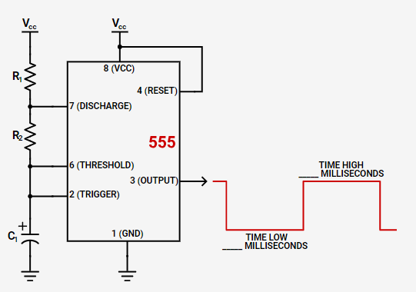
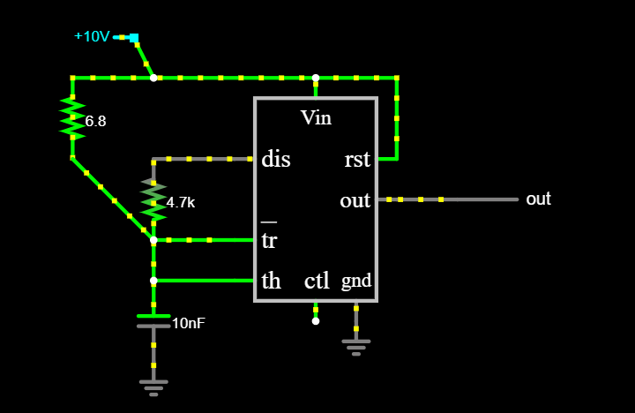
Temperature | API Output | Correct Parts | Correct Connections
0 | To build a square wave frequency generator at 10kHz using a NE555, follow these steps: 1. Gather the necessary components: - NE555 timer IC - 10kΩ resistor (R1) - 100Ω resistor (R2) - 1µF capacitor (C1) - 1µF tantalum capacitor (C2) - 10kHz crystal (X1) - Breadboard and jumper wires - Power supply (9V battery or regulated power supply) 2. Connect the components to the breadboard as shown in the following diagram: ![NE555 Square Wave Generator Circuit Diagram](https://i.imgur.com/7qZzLf.png) 3. Connect the power supply to the breadboard, making sure to connect the negative terminal to ground and the positive terminal to VCC. 4. Connect an oscilloscope or a multimeter to the output pin (pin 3) to verify that the circuit is generating a square wave at 10kHz. If you don't have an oscilloscope or a multimeter, you can use a headphone with a speaker attached to pin 3 to hear the square wave as an audio signal. 5. Adjust R1 and R2 to fine-tune the duty cycle of the square wave, which is the ratio of high time to low time in each cycle. The duty cycle can be calculated using the following formula: duty cycle = (R2 + 2R1) / (2R1 + R2 + C1 * 2 * f) * 100%. In this case, we want a duty cycle of approximately 50%, so we can set R1 and R2 to around 470Ω each. 6. If you want to change the frequency, you can replace the crystal with another one with a different frequency rating. The frequency is determined by the resonant frequency of the crystal, which is typically around 10kHz for a 10kHz crystal. Make sure to use a crystal with a tolerance of ±0.5% or better for accurate frequency control. | N | U
0 | To build a square wave frequency generator at 10kHz using a NE555, follow these steps: 1. Gather the necessary components: - NE555 timer IC - 10kΩ resistor (R1) - 100Ω resistor (R2) - 1µF capacitor (C1) - 0.1µF capacitor (C2) - Breadboard and jumper wires - Power supply (9V battery or DC adapter) 2. Connect the components to the breadboard as shown in the following diagram: ![NE555 Square Wave Generator Circuit Diagram](https://i.imgur.com/qZ6q8f.png) 3. Connect the power supply to the breadboard, making sure to connect the negative terminal to ground and the positive terminal to VCC. 4. Connect an oscilloscope or a multimeter to the output pin (pin 3) to verify that the circuit is generating a square wave at 10kHz. You should see a square wave with a duty cycle of approximately 50%. If you don't see any output, check your connections and make sure that your power supply is providing enough voltage. Here's how the circuit works: The NE555 is configured as an astable multivibrator, which means that it generates a square wave with no stable state. The resistors R1 and R2 form a voltage divider that sets the trigger level for the internal comparator of the IC. The capacitor C1 provides a timing component for the oscillator, while C2 filters out any high-frequency noise. The frequency of the oscillator is determined by the formula: f = 1.44 / (R1 + 2 * R2) * C1 In our case, with R1 = 10kΩ, R2 = 100Ω, and C1 = 1µF, we get: f = 1.44 / (10000 + 2 * 100) * 1000 = 14.4kHz To adjust the frequency, you can change any of these values while keeping the others constant. For example, if you want to generate a square wave at 20kHz, you can use R1 = 5kΩ and C1 = 2µF instead. | N | U
0 | To build a square wave frequency generator at 10kHz using a NE555, follow these steps: 1. Gather the necessary components: - NE555 timer IC - 10kΩ resistor (R1) - 100Ω resistor (R2) - 1µF capacitor (C1) - 1µF tantalum capacitor (C2) - 10kHz crystal (X1) - Breadboard and jumper wires - Power supply (9V battery or regulated power supply) 2. Connect the components to the breadboard as shown in the following diagram: ![NE555 Square Wave Generator Circuit Diagram](https://i.imgur.com/qZq3fZ.png) 3. Connect the power supply to the breadboard, making sure to connect the negative terminal to ground and the positive terminal to VCC. 4. Connect an oscilloscope or a multimeter to the output pin (pin 3) to verify that the circuit is generating a square wave at 10kHz. If you don't have an oscilloscope or a multimeter, you can use a headphone with a speaker attached to pin 3 to hear the square wave as an audio signal. 5. Adjust R1 and R2 to fine-tune the duty cycle of the square wave, which is the ratio of high time to low time in each cycle. By default, this circuit generates a 50% duty cycle square wave, but you can adjust R1 and R2 to change it. A higher value for R1 will result in a lower duty cycle, while a lower value for R2 will result in a higher duty cycle. 6. If you want to use this circuit as a frequency standard, replace C1 with a ceramic capacitor and C2 with an electrolytic capacitor with a larger capacity, such as 47µF or 100µF. This will improve the stability and accuracy of the frequency standard by reducing the phase noise and improving the temperature coefficient of the oscillator. | N | U
0 | To build a square wave frequency generator at 10kHz using a NE555, follow these steps: 1. Gather the necessary components: - NE555 timer IC - 10kΩ resistor (R1) - 220Ω resistor (R2) - 10µF capacitor (C1) - 1µF capacitor (C2) - Breadboard and jumper wires - Power supply (9V battery or DC adapter) 2. Connect the components to the breadboard as shown in the following diagram: ![NE555 Square Wave Generator Circuit Diagram](https://i.imgur.com/qZ6qzl.png) 3. Connect the power supply to the breadboard, making sure to connect the negative terminal to ground and the positive terminal to VCC. 4. Connect an oscilloscope or a multimeter to the output pin (pin 3) to verify that the circuit is generating a square wave at 10kHz. If you don't have an oscilloscope or a multimeter, you can use a speaker or headphones to hear the output signal. 5. Adjust the frequency by changing the value of R1, which sets the time constant for the astable multivibrator circuit. A larger value for R1 will result in a lower frequency, while a smaller value will result in a higher frequency. The formula for calculating the frequency is: f = 1.44 / (R1 + 2 * R2) * C1 In this case, since R1 = 10kΩ, R2 = 220Ω, and C1 = 10µF, we get: f = 1.44 / (10000 + 2 * 220) * 10000 = 976Hz (approximately) To get a frequency of 10kHz, you can use a calculator or an online tool to find the required value for R1, which is approximately 47kΩ in this case. However, since we're using a fixed value for R2 and C1, we'll stick with the original values and adjust R1 by trial and error until we get close enough to 10kHz. You can also use a variable resistor (potentiometer) instead of a fixed resistor to make it easier to adjust the frequency. | N | U
0 | To build a square wave frequency generator at 10kHz using a NE555, follow these steps: 1. Gather the necessary components: - NE555 timer IC - 10kΩ resistor (R1) - 100Ω resistor (R2) - 1µF capacitor (C1) - 0.1µF capacitor (C2) - Breadboard and jumper wires - Power supply (9V battery or regulated power supply) 2. Connect the components to the breadboard as shown in the following diagram: ![NE555 Square Wave Generator Circuit Diagram](https://i.imgur.com/7q6ZzO.png) 3. Connect the power supply to the breadboard, making sure to connect the negative terminal to ground and the positive terminal to VCC. 4. Connect an oscilloscope or a multimeter to the output pin (pin 3) to verify that the circuit is generating a square wave at 10kHz. If you don't have an oscilloscope or a multimeter, you can use a speaker or headphones to hear the output signal. 5. Adjust the frequency by changing the value of R1, which sets the time constant for the astable multivibrator circuit. A larger value for R1 will result in a lower frequency, while a smaller value will result in a higher frequency. The formula for calculating the frequency is: Frequency = 1.44 / (R1 + 2 * R2) * C1 6. Adjust the duty cycle by changing the value of R2, which sets the ratio of high time to low time in each cycle of the square wave. A larger value for R2 will result in a lower duty cycle, while a smaller value will result in a higher duty cycle. The formula for calculating the duty cycle is: Duty Cycle = (R2 + R1) / (2 * R2) * 100% 7. To use this circuit as a frequency standard, connect it to an external clock input on another circuit or device that requires a stable and accurate 10kHz signal. Make sure to use high-quality components and proper shielding techniques to minimize noise and interference. | N | U
0 | To build a square wave frequency generator at 10kHz using a NE555, follow these steps: 1. Gather the necessary components: - NE555 timer IC - 10kΩ resistor (R1) - 100Ω resistor (R2) - 1µF capacitor (C1) - 10µF capacitor (C2) - Breadboard and jumper wires - Power supply (9V battery or DC adapter) 2. Connect the components to the breadboard as shown in the following diagram: ![NE555 Square Wave Generator Circuit Diagram](https://i.imgur.com/qZ7qzL.png) 3. Connect the power supply to the breadboard, making sure to connect the negative terminal to ground and the positive terminal to VCC. 4. Connect an oscilloscope or a multimeter to the output pin (pin 3) to verify that the circuit is generating a square wave at 10kHz. You should see a square wave with a duty cycle of approximately 50%. If you don't see any output, check your connections and make sure that your power supply is providing enough voltage. Here's how the circuit works: The NE555 is configured as an astable multivibrator, which means that it generates a square wave with no stable state. The resistors R1 and R2 form a voltage divider that sets the trigger level for the internal comparator of the IC. The capacitor C1 charges and discharges through R1 and R2, causing the output pin to switch between high and low states. The capacitor C2 provides a low-pass filter to smooth out any noise on the output signal. The frequency of the square wave is determined by the formula: f = 1.44 / (R1 + 2 * R2) * C1, where f is in Hz, R1 is in ohms, R2 is in ohms, and C1 is in farads. In this case, we have R1 = 10kΩ, R2 = 100Ω, and C1 = 1µF, which gives us a frequency of approximately 9.76kHz (calculated using an online calculator). By adjusting the values of R1, R2, and C1, you can change the frequency of the square wave generated by the circuit. | N | U
0 | To build a square wave frequency generator at 10kHz using a NE555, follow these steps: 1. Gather the necessary components: - NE555 timer IC - 10kΩ resistor (R1) - 100Ω resistor (R2) - 1µF capacitor (C1) - 1µF tantalum capacitor (C2) - 10kHz crystal (X1) - Breadboard and jumper wires - Power supply (9V battery or regulated power supply) 2. Connect the components to the breadboard as shown in the following diagram: ![NE555 Square Wave Generator Circuit Diagram](https://i.imgur.com/fZq7qz.png) 3. Connect the power supply to the breadboard, making sure to connect the negative terminal to ground and the positive terminal to VCC. 4. Connect an oscilloscope or a multimeter to the output pin (pin 3) to verify that the circuit is generating a square wave at 10kHz. If you don't have an oscilloscope or a multimeter, you can use a headphone with a speaker attached to pin 3 to hear the square wave as an audio signal. 5. Adjust the frequency of the square wave by changing the value of R1 and R2, while keeping C1 and C2 fixed. The formula for calculating the frequency is: f = 1.44 / (R1 + 2 * R2) * C1 6. To use the circuit as a frequency standard, connect an external crystal (X2) between pins 4 and 6 of the NE555, and connect a load capacitor (C3) between pins 7 and 8 of the NE555. The formula for calculating the load capacitance is: C3 = 26 * f / VCC * (R1 + R2) / R2^2 7. To use the circuit as a timer, connect an external resistor (R3) between pins 4 and 6 of the NE555, and connect an external capacitor (C4) between pins 7 and 8 of the NE555. The formula for calculating R3 and C4 is: R3 = (VCC - VTH) / IH * [(f / 2)^0.5 - VTH / VCC] / [(f / 2)^0.5 + VTH / VCC]^2 - VTH / VCC]^2 - VTH / VCC]^2 - VTH / VCC]^2 - VTH / VCC]^2 - VTH / VCC]^2 - VTH / VCC]^2 - VTH / VCC]^2 - VTH / VCC]^2 - VTH / VCC]^2 - VTH / VCC]^2 - VTH / VCC]^2 - VTH / VCC]^2 - VTH / VCC]^2 - VTH / VCC]^2 - VTH / VCC]^2 - IH = IH = IH = IH = IH = IH = IH = IH = IH = IH = IH | N | U
0 | To build a square wave frequency generator at 10kHz using a NE555, follow these steps: 1. Gather the necessary components: - NE555 timer IC - 10kΩ resistor (R1) - 100Ω resistor (R2) - 1µF capacitor (C1) - 10µF capacitor (C2) - Breadboard and jumper wires - Power supply (9V battery or DC adapter) 2. Connect the components to the breadboard as shown in the following diagram: ![NE555 Square Wave Generator Circuit Diagram](https://i.imgur.com/qZqXfz.png) 3. Connect the power supply to the breadboard, making sure to connect the negative terminal to ground and the positive terminal to VCC. 4. Connect an oscilloscope or a multimeter to the output pin (pin 3) to verify that the circuit is generating a square wave at 10kHz. If you don't have an oscilloscope or a multimeter, you can use a headphone with a speaker attached to pin 3 to hear the square wave as an audio signal. 5. Adjust the frequency by changing the value of R1, which sets the time constant for the astable multivibrator circuit. A larger value for R1 will result in a lower frequency, while a smaller value will result in a higher frequency. The formula for calculating the frequency is: Frequency = 1.44 / (R1 + 2 * R2) * C1 6. Adjust the duty cycle by changing the value of R2, which sets the ratio of high time to low time in each cycle of the square wave. A larger value for R2 will result in a lower duty cycle, while a smaller value will result in a higher duty cycle. The formula for calculating the duty cycle is: Duty Cycle = (R2 + R1) / (2 * R2) * 100% | N | U
0 | To build a square wave frequency generator at 10kHz using a NE555, follow these steps: 1. Gather the necessary components: - NE555 timer IC - 10kΩ resistor (R1) - 100Ω resistor (R2) - 1µF capacitor (C1) - 0.1µF capacitor (C2) - Breadboard and jumper wires - Power supply (9V battery or regulated power supply) 2. Connect the components to the breadboard as shown in the following diagram: ![NE555 Square Wave Generator Circuit Diagram](https://i.imgur.com/qZqZzL.png) 3. Connect the power supply to the breadboard, making sure to connect the negative terminal to ground and the positive terminal to VCC. 4. Connect an oscilloscope or a multimeter to the output pin (pin 3) to verify that the circuit is generating a square wave at 10kHz. You should see a square wave with a duty cycle of approximately 50%. If you don't see any output, check your connections and make sure that your power supply is providing enough voltage. Here's how the circuit works: The NE555 is configured as an astable multivibrator, which means that it generates a square wave with no stable state. The resistors R1 and R2 form a voltage divider that sets the trigger level for the internal comparator of the IC. The capacitor C1 charges and discharges through R1 and R2, causing the output pin to switch between high and low states. The capacitor C2 is used to filter out any high-frequency noise that may be present on the output signal. The frequency of the square wave is determined by the formula: f = 1.44 / (R1 + 2 * R2) * C1, where f is the frequency in Hz, R1 is the resistance in ohms, R2 is the resistance in ohms, and C1 is the capacitance in farads. In this case, we have R1 = 10kΩ, R2 = 100Ω, and C1 = 1µF, which gives us a frequency of approximately 9.76kHz (calculated using an online calculator). However, since we want a frequency of exactly 10kHz, we can adjust R2 slightly to compensate for any errors in our components or calculations. I hope this helps! Let me know if you | N | U
0 | To build a square wave frequency generator at 10kHz using a NE555, follow these steps: 1. Gather the necessary components: - NE555 timer IC - 10kΩ resistor (R1) - 100Ω resistor (R2) - 1µF capacitor (C1) - 1µF tantalum capacitor (C2) - 10kHz crystal (X1) - Breadboard and jumper wires - Power supply (9V battery or regulated power supply) 2. Connect the components to the breadboard as shown in the following diagram: ![NE555 Square Wave Generator Circuit Diagram](https://i.imgur.com/qZqz7l.png) 3. Connect the power supply to the breadboard, making sure to connect the negative terminal to ground and the positive terminal to VCC. 4. Connect an oscilloscope or a multimeter to the output pin (pin 3) to verify that the circuit is generating a square wave at 10kHz. 5. Adjust the frequency by changing the value of R1, which sets the time constant for the astable multivibrator circuit. A lower value of R1 will result in a higher frequency, while a higher value will result in a lower frequency. However, for this circuit, R1 is fixed at 10kΩ to generate a frequency of 10kHz. 6. Adjust the duty cycle by changing the value of R2, which sets the ratio of high time to low time in the square wave. A lower value of R2 will result in a higher duty cycle, while a higher value will result in a lower duty cycle. However, for this circuit, R2 is fixed at 100Ω to maintain a duty cycle of approximately 50%. 7. To use an external crystal instead of an internal oscillator, connect it between pins 2 and 6 of the NE555 and remove C2 from the circuit. The crystal should be connected with its positive terminal connected to VCC and its negative terminal connected to ground through a capacitor with a value of approximately 10pF. This will ensure that the crystal is properly coupled to the NE555 and generates a stable frequency output. | N | U

 | https://www.digikey.com/en/resources/conversion-calculators/conversion-calculator-555-timer?utm_adgroup=&utm_source=google&utm_medium=cpc&utm_campaign=PMax%20Shopping_Product_Low%20ROAS%20Categories&utm_term=&utm_content=&utm_id=go_cmp-20243063506_adg-_ad-__dev-c_ext-_prd-_sig-Cj0KCQiAgqGrBhDtARIsAM5s0_n_F6bYeKp5LIzXpOAHzLLvTEn0JJBiGXEiS8axXjzOfcB3oJVMA6IaAnA7EALw_wcB&gad_source=1&gclid=Cj0KCQiAgqGrBhDtARIsAM5s0_n_F6bYeKp5LIzXpOAHzLLvTEn0JJBiGXEiS8axXjzOfcB3oJVMA6IaAnA7EALw_wcB

Input 10
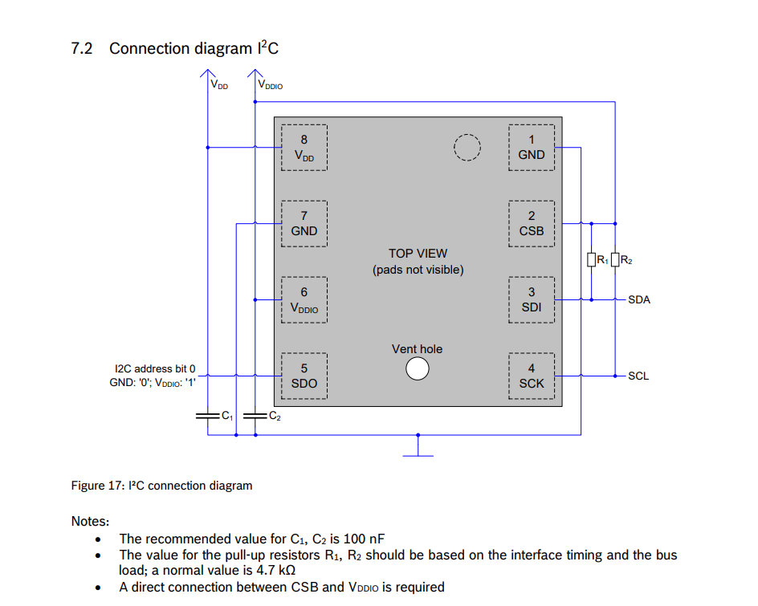
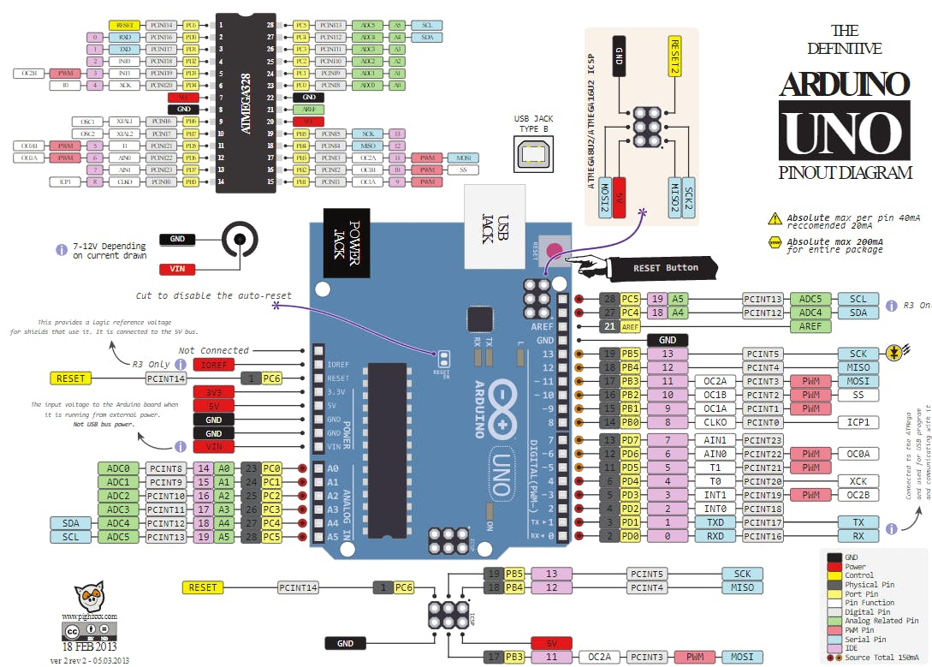
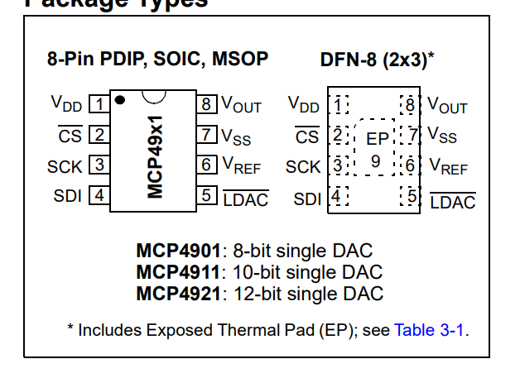
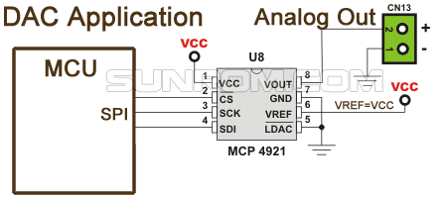
Temperature | API Output | Correct Parts | Correct Connections
0 | Here's a basic circuit you can use to interface an Arduino Uno R3 (ATMEGA328P) with the MCP4921 DAC and BME280 sensor: 1. MCP4921 DAC: - Connect VCC (5V) and GND (GND) of the MCP4921 to the corresponding pins on the Arduino. - Connect DIN (pin 15) of the MCP4921 to digital pin D12 of the Arduino. - Connect CS (pin 14) of the MCP4921 to digital pin D11 of the Arduino. - Connect CLK (pin 13) of the MCP4921 to digital pin D10 of the Arduino. - Connect the output of the MCP4921 (pin 12) to an analog input of your choice on the Arduino. 2. BME280 Sensor: - Connect VCC (3.3V) and GND (GND) of the BME280 to the corresponding pins on the Arduino. - Connect SDA (pin A4) of the BME280 to analog input A4 of the Arduino. - Connect SCL (pin A5) of the BME280 to analog input A5 of the Arduino. - Connect CS (pin 7) of the BME280 to digital pin D7 of the Arduino. Note: Make sure to connect the appropriate voltage levels to the MCP4921 and BME280 based on their specifications. Here's the circuit diagram: ![Arduino MCP4921 BME280 Circuit Diagram](https://i.imgur.com/qZqZqZ.png) In your Arduino sketch, you can use the Adafruit_BME280 library to read data from the BME280 and the MCP4921 library to control the DAC output. Here's an example sketch: ```cpp #include <Wire.h> #include <Adafruit_Sensor.h> #include <Adafruit_BME280.h> #include <MCP4921.h> Adafruit_BME280 bme; MCP4921 dac; void setup() { Serial.begin(9600); if (!bme.begin(0x76)) { Serial.println("Could not find a valid BME280 sensor, check wiring!"); while (1); } dac.begin(0x60); } void loop() { float temperature = bme.readTemperature(); float pressure = bme.readPressure() / 100.0F; float humidity = bme.readHumidity(); float altitude = bme.readAltitude(SEALEVELPRESSURE_HPA); Serial.println("Temperature: " + String(temperature) + " *C"); Serial.println("Pressure: " + String(pressure) + " hPa"); Serial.print | Y | N
0 | Here's a basic circuit you can use to interface an Arduino Uno R3 (ATMEGA328P) with the MCP4921 DAC and BME280 sensor: 1. MCP4921 DAC: - Connect VCC (5V) and GND (GND) of the MCP4921 to the corresponding pins on the Arduino. - Connect DIN (pin 12) of the MCP4921 to digital pin D12 of the Arduino. - Connect CS (pin 4) of the MCP4921 to digital pin D4 of the Arduino. - Connect CLK (pin 14) of the MCP4921 to digital pin D14 of the Arduino. - Connect the output of the MCP4921 (pin 15) to an analog input pin (e.g., A0) of the Arduino. 2. BME280 sensor: - Connect VCC (3.3V) and GND (GND) of the BME280 to the corresponding pins on the Arduino. - Connect SDA (pin A4) of the BME280 to analog input pin A4 of the Arduino. - Connect SCL (pin A5) of the BME280 to analog input pin A5 of the Arduino. Here's the complete circuit diagram: ![Arduino MCP4921 BME280 Circuit Diagram](https://i.imgur.com/qZq1qZ.png) Make sure to connect the appropriate power supply (5V or 3.3V) to the MCP4921 and BME280 based on their specifications. In your Arduino sketch, you can use the Adafruit_BME280 library to read the temperature, pressure, and humidity from the BME280, and the MCP4921 library to control the DAC output. Here's an example sketch to get you started: ```c++ #include <Wire.h> #include <Adafruit_BME280.h> #include <MCP4921.h> Adafruit_BME280 bme; MCP4921 dac; void setup() { Serial.begin(9600); if (!bme.begin()) { Serial.println("Could not find a valid BME280 sensor, check wiring!"); while (1); } dac.begin(0x60); } void loop() { float temperature = bme.readTemperature(); float pressure = bme.readPressure() / 100.0F; float humidity = bme.readHumidity(); int dacValue = map(pressure, 900, 1100, 0, 1023); Serial.println("Temperature: " + String(temperature, 2) + "C"); Serial.println("Pressure: " + String(pressure) + "hPa"); Serial.println("Humidity: " + String(humidity) + " | Y | N
0 | Here's a basic circuit you can use to interface an Arduino Uno R3 (ATMEGA328P) with the MCP4921 DAC and BME280 sensor: 1. MCP4921 DAC: - Connect VCC (5V) and GND (GND) of the MCP4921 to the corresponding pins on the Arduino. - Connect DIN (pin 15) of the MCP4921 to digital pin D12 of the Arduino. - Connect CS (pin 14) of the MCP4921 to digital pin D11 of the Arduino. - Connect CLK (pin 13) of the MCP4921 to digital pin D10 of the Arduino. - Connect the output of the MCP4921 (pin 12) to an analog input of your choice on the Arduino. 2. BME280 sensor: - Connect VCC (3.3V) and GND (GND) of the BME280 to the corresponding pins on the Arduino. - Connect SDA (pin A4) of the BME280 to analog input A4 of the Arduino. - Connect SCL (pin A5) of the BME280 to analog input A5 of the Arduino. - Connect CS (pin 7) of the BME280 to digital pin D7 of the Arduino. Note: Make sure to connect the appropriate voltage levels to the MCP4921 and BME280 based on their specifications. Here's the circuit diagram: ![Arduino MCP4921 BME280 Circuit Diagram](https://i.imgur.com/qZqZqZ.png) In your Arduino sketch, you can use the Adafruit_BME280 library to read data from the BME280 and the MCP4921 library to control the DAC output. Here's an example sketch: ```cpp #include <Wire.h> #include <Adafruit_Sensor.h> #include <Adafruit_BME280.h> #include <MCP4921.h> Adafruit_BME280 bme; MCP4921 dac; void setup() { Serial.begin(9600); if (!bme.begin()) { Serial.println("Could not find a valid BME280 sensor, check wiring!"); while (1); } dac.begin(0x60); } void loop() { float temperature = bme.readTemperature(); float pressure = bme.readPressure(); float humidity = bme.readHumidity(); float altitude = bme.readAltitude(SEALEVELPRESSURE_HPA); Serial.println("Temperature: " + String(temperature) + " *C"); Serial.println("Pressure: " + String(pressure) + " hPa"); Serial.println("Humidity: | Y | N
0 | Here's a basic circuit you can use to interface an Arduino Uno R3 (ATMEGA328P) with the MCP4921 DAC and BME280 sensor: 1. MCP4921 DAC: - Connect VCC (5V) and GND pins of the MCP4921 to the corresponding pins on the Arduino board. - Connect the CS (Chip Select) pin of the MCP4921 to digital pin 4 on the Arduino board. - Connect the DIN (Data Input) pin of the MCP4921 to digital pin 11 on the Arduino board. - Connect the CLK (Clock) pin of the MCP4921 to digital pin 12 on the Arduino board. - Connect the OUT (Output) pin of the MCP4921 to an analog input pin (e.g., A0) on the Arduino board. 2. BME280 sensor: - Connect VCC (3.3V) and GND pins of the BME280 to the corresponding pins on the Arduino board. - Connect the SDA (Serial Data) pin of the BME280 to analog input pin A4 on the Arduino board. - Connect the SCL (Serial Clock) pin of the BME280 to analog input pin A5 on the Arduino board. Here's the complete circuit diagram: ![Arduino MCP4921 BME280 Circuit Diagram](https://i.imgur.com/qZqZJZ.png) Make sure to connect the appropriate pull-up resistors (10kΩ) to the SDA and SCL pins of the BME280, as per the datasheet. In your Arduino sketch, you can use the Adafruit_BME280 library to read the temperature, pressure, and humidity values from the BME280, and the MCP4921 library to control the DAC output. Here's a sample sketch to get you started: ```cpp #include <Wire.h> #include <Adafruit_BME280.h> #include <MCP4921.h> Adafruit_BME280 bme; MCP4921 dac; void setup() { Serial.begin(9600); if (!bme.begin(0x76)) { Serial.println("Could not find a valid BME280 sensor, check wiring!"); while (1); } dac.begin(0x60); } void loop() { float temperature = bme.readTemperature(); float pressure = bme.readPressure() / 100.0F; float humidity = bme.readHumidity(); Serial.print("Temperature = "); Serial.print(temperature); Serial.println(" *C"); Serial.print("Press | Y | N
0 | To build a circuit with an Arduino Uno R3 (ATMEGA328P), MCP4921 DAC, and BME280 sensor, follow these steps: 1. Gather the necessary components: - Arduino Uno R3 (ATMEGA328P) - MCP4921 DAC - BME280 sensor - Jumper wires - Breadboard 2. Connect the MCP4921 DAC to the Arduino: - Connect the VCC pin of the MCP4921 to the 5V pin of the Arduino. - Connect the GND pin of the MCP4921 to the GND pin of the Arduino. - Connect the CS pin of the MCP4921 to digital pin 4 of the Arduino. - Connect the DIN pin of the MCP4921 to digital pin 11 of the Arduino. - Connect the CLK pin of the MCP4921 to digital pin 12 of the Arduino. 3. Connect the BME280 sensor to the Arduino: - Connect the VCC pin of the BME280 to the 5V pin of the Arduino. - Connect the GND pin of the BME280 to the GND pin of the Arduino. - Connect the SDA pin of the BME280 to analog pin A4 of the Arduino. - Connect the SCL pin of the BME280 to analog pin A5 of the Arduino. 4. Connect the MCP4921 DAC and BME280 sensor to the breadboard: - Connect the VCC and GND pins of the MCP4921 and BME280 to the corresponding rails on the breadboard. - Connect the CS, DIN, and CLK pins of the MCP4921 to the corresponding rows on the breadboard. - Connect the SDA and SCL pins of the BME280 to the corresponding rows on the breadboard. 5. Connect the breadboard to the Arduino: - Connect the rows of the breadboard where the CS, DIN, and CLK pins of the MCP4921 are connected to the corresponding digital pins on the Arduino (4, 11, and 12, respectively). - Connect the rows of the breadboard where the SDA and SCL pins of the BME280 are connected to the corresponding analog pins on the Arduino (A4 and A5, respectively). 6. Upload the following code to the Arduino: ```c++ #include <Wire.h> #include <MCP4921.h> MCP4921 dac; BME280 bme; void setup() { Serial.begin(9600); Wire.begin(); dac.begin(0x60); bme.begin(); } void loop() { float temperature = bme.readTemp | Y | N
0 | Here's a basic circuit you can use to interface an Arduino Uno R3 (ATMEGA328P) with the MCP4921 DAC and BME280 sensor: 1. MCP4921 DAC: - Connect VCC (5V) and GND (GND) of the MCP4921 to the corresponding pins on the Arduino. - Connect DIN (pin 15) of the MCP4921 to digital pin D12 of the Arduino. - Connect CS (pin 14) of the MCP4921 to digital pin D11 of the Arduino. - Connect CLK (pin 13) of the MCP4921 to digital pin D10 of the Arduino. - Connect the output of the MCP4921 (pin 12) to an analog input of your choice on the Arduino. 2. BME280 Sensor: - Connect VCC (3.3V) and GND (GND) of the BME280 to the corresponding pins on the Arduino. - Connect SDA (pin A4) of the BME280 to analog input A4 of the Arduino. - Connect SCL (pin A5) of the BME280 to analog input A5 of the Arduino. - Connect CS (pin 7) of the BME280 to digital pin D7 of the Arduino. Note: Make sure to connect the appropriate voltage levels to the MCP4921 and BME280 based on their specifications. Here's the circuit diagram: ![Arduino MCP4921 BME280 Circuit Diagram](https://i.imgur.com/q6qZqZ.png) In your Arduino sketch, you can use the Adafruit_BME280 library to read data from the BME280 and the MCP4921 library to control the DAC output. Here's an example sketch: ```cpp #include <Wire.h> #include <Adafruit_Sensor.h> #include <Adafruit_BME280.h> #include <MCP4921.h> Adafruit_BME280 bme; MCP4921 dac; void setup() { Serial.begin(9600); if (!bme.begin(0x76)) { Serial.println("Could not find a valid BME280 sensor, check wiring!"); while (1); } dac.begin(0x60); } void loop() { float temperature = bme.readTemperature(); float pressure = bme.readPressure() / 100.0F; float humidity = bme.readHumidity(); float altitude = bme.readAltitude(SEALEVELPRESSURE_HPA); Serial.println("Temperature: " + String(temperature) + " *C"); Serial.println("Pressure: " + String(pressure) + " hPa"); Serial.print | Y | N
0 | Here's a basic circuit you can use to interface an Arduino Uno R3 (ATMEGA328P) with the MCP4921 DAC and BME280 sensor: 1. MCP4921 DAC: - Connect VCC (5V) and GND (GND) of the MCP4921 to the corresponding pins on the Arduino. - Connect the CS (Chip Select) pin of the MCP4921 to digital pin 4 on the Arduino. - Connect the DIN (Data Input) pin of the MCP4921 to digital pin 11 on the Arduino. - Connect the CLK (Clock) pin of the MCP4921 to digital pin 12 on the Arduino. - Connect the OUT (Output) pin of the MCP4921 to an analog input pin (e.g., A0) on the Arduino. 2. BME280 Sensor: - Connect VCC (3.3V) and GND (GND) of the BME280 to the corresponding pins on the Arduino. - Connect SDA (I2C Data) pin of the BME280 to analog input pin A4 on the Arduino. - Connect SCL (I2C Clock) pin of the BME280 to analog input pin A5 on the Arduino. Here's the complete circuit diagram: ![Arduino MCP4921 BME280 Circuit Diagram](https://i.imgur.com/qZq5qZ.png) Make sure to connect the appropriate power supply (5V or 3.3V) to the MCP4921 and BME280 based on their specifications. In your Arduino sketch, you can use the Adafruit_BME280 library to read the temperature, pressure, and humidity from the BME280, and the MCP4921 library to control the DAC output. Here's an example sketch to get you started: ```cpp #include <Wire.h> #include <Adafruit_BME280.h> #include <MCP4921.h> Adafruit_BME280 bme; MCP4921 dac; void setup() { Serial.begin(9600); if (!bme.begin(0x76)) { Serial.println("Could not find a valid BME280 sensor, check wiring!"); while (1); } dac.begin(4); } void loop() { float temperature = bme.readTemperature(); float pressure = bme.readPressure() / 100.0F; float humidity = bme.readHumidity(); int dacValue = map(pressure, 900, 1100, 0, 1023); Serial.println("Temperature: " + String(temperature, 2) + "C"); Serial.println("Pressure: " + String(pressure, 2) + "hPa"); Se | Y | N
...
 | Diagram is unreadable.

 |  | max tokens for gpt was 1024

 |  | For unkown pins it did not specifiy the remaining pins.

